Week 6 - Group Accounts
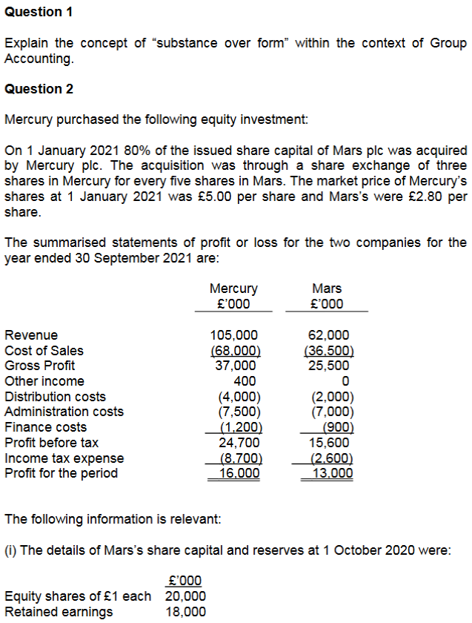
Question 1:

Reflecting the economic substance over a transaction or
event, rather than the legal form is necessary for financial
statements to meet the requirement of 'faithful representation'.

A group consists of a parent and one or more subsidiaries
which are under the control of the parent.

Parent companies are required to prepare and present accounts
for the group as a whole, reflecting the group as one single
economic entity.

The parent and its subsidiaries are all individual legal entities.

The group as a single economic entity reflects the economic
substance of the group as a whole.

Question 2:

Structure:

Mercury -> Mars [ 80% ]

Accounting Period | 2020-10-01 | -> | -> | -> | 2021-09-30
 |  |  | 2021-01-01
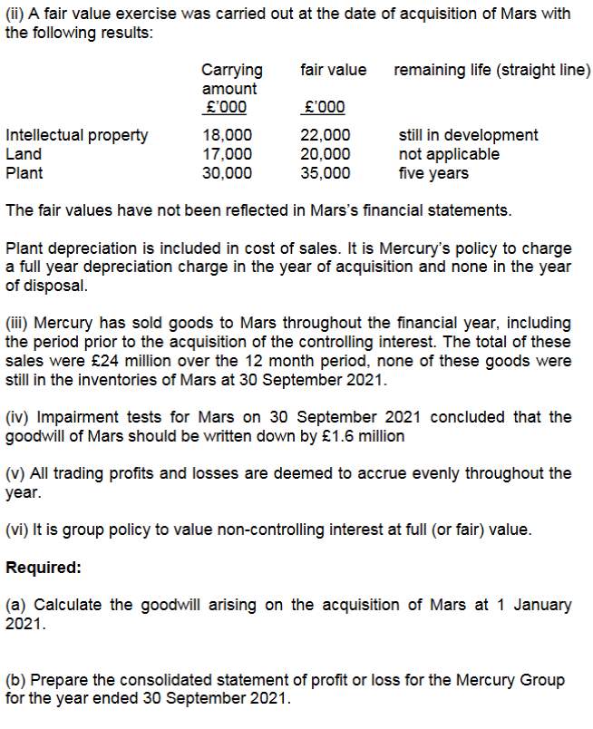
Acquisition | Ret'd earnings | Pre'Acqn | Post'Acqn
 | 18,000 | 3,250 | 9,750

Shares Acquired = (£20m / £1) * 80% = 16m shares

Consideration Paid = 16m/5 * 3 * £5 = £48m

Goodwill:
 |  |  | Group |  | NCI
 |  |  | £'000 |  | £'000
Fair Value of Interest |  |  | 48,000
Non-Controlling Interest at Acq. (20m * 20% * £2.80) |  |  |  |  | 11,200

Week 6 - Consolidated SPL
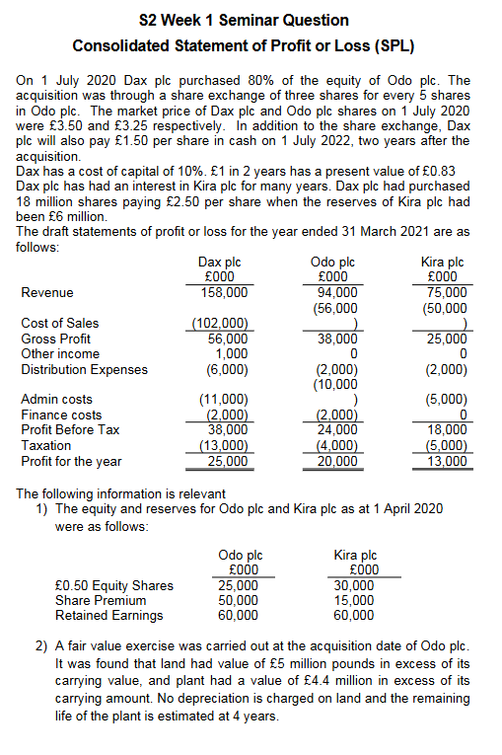
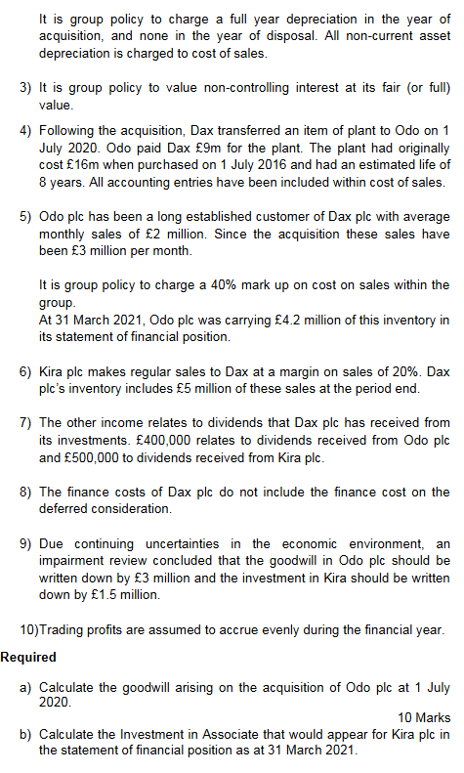
 |  |  |  | Part A: Structure
 |  |  |  | Dax purchased 80% of equity of Odo plc.
 |  |  |  | Acquisition of 3 shares for every 5 shares.

 |  |  |  | 80% of 25,000*0.50 Equity Shares = 40m Shares (Odo) |  |  |  | - (Acquisiton Amount / Share Price) *
 |  |  |  |  |  |  |  | Acquisition Percentage
 |  |  |  | Share Consideration: 40m Shares / 5 * 3 * £3.5 |  |  |  | - (Shares Issued / Nominal Value per Share) *
 |  |  |  | = £84m |  |  |  | Bonus Shares * Share Price

 |  |  |  | Deferred Consideration: 40m shares * £1.5 * 0.83 |  |  |  | - (Shares Issued * Deferred Value per Share) *
 |  |  |  | = £49.8m |  |  |  | Discount Factor

 |  |  |  | Total Consideration: £84m + £49.8m |  |  |  | - Add Deferred and Shared Consid. Values
 |  |  |  | =£133.8m

 |  |  |  | Goodwill - Odo |  |  | 0.8 | 0.2
 |  |  |  | Full Value Method |  |  | Group | NCI
 |  |  |  |  |  |  | £'000 | £'000
 |  |  |  | Fair Value of Investment |  |  | 133,800
 |  |  |  | NCI at Acquisition
 |  |  |  | (25m/0.50)*20% = 10m shares @ 3.25 |  |  |  | 32,500

 |  |  |  | Less Fair Value of Identifiable Net Assets Acquired
 |  |  |  | Share Capital |  | 25,000
 |  |  |  | Share Premium |  | 50,000
 |  |  |  | B/E - Pre Acquisition
 |  |  |  | as at 1/4/20 | 60,000
 |  |  |  | 1/4/20 to 1/July 20
 |  |  |  | 20,000 * 3/12 Months | 5,000
 |  |  |  |  |  | 65,000
 |  |  |  | Fair Value Adjustments
Part B: Investment in Associate |  |  |  | Land |  | 5,000
 |  | £'000 |  | Plant |  | 4,400
Cost of Investment |  |  |  |  |  | 149,400
18m Shares x £2.5 |  | 45,000 |  |  |  |  | 80% | 20%
 |  |  | Complete Part C later | Group/NCI Share of Net Assets |  |  | 119,520 | 2,620
Plus share of Post-Acquisition Profits
Reserves at 1/4/20 | 60,000 |  |  | Goodwill |  |  | 14,280 | 2,620
Pre-Acquisition Reserves | (6 ,000)
R/E since Acq. but missing | 54,000 |  |  | Total Goodwill |  |  |  | 16,900
current year earnings | 13,000
R/E since Acquisition | 67,000
Group Share | 30% | 20100

Impairment |  | -1,500
Investment in Associate |  | 63,600

Consolidated SoFP
Learning Objectives:
Consolidated SFP
1. Prepare a consolidated statement of financial position for a
simple group (parent and up to two subsidiaries)
Consolidation
Workings
2. Deal with non-controlling interest (at fair value or
proportinate share of net assets)

Intra-Group Trading
3. Describe and apply the required accounting treatment of
consolidated goodwill
Pre-
Acquisition
Profits
and Group
Reserves
Non-Controlling Interest
Goodwill
Mid-Year Acquisitions
4. Account for impairment of goodwill

5. Explain and account for the consolidation of other reserves
(e.g. share premium and revaluation surplus)

Unrealised Profits
Fair Values
6. Account for the effects of intra-group trading in the statewment
of financial position

7. Explain why it is necessary to use fair values when preparing
consolidated financial statemetns

8. Account for the effects of fair value adjustments.

Recap
To prepare the Statement of Financial Position (SFP),
we need to do the following workings: | Goodwill is calculated as the excess of the consideration
 | transferred over the fair value of the idenitifiable net assets
W1: Goodwill (GW) | acquired from the subsidiary (INAs) at the acquisition date.

W2: Non-Controlling Interest (NCI) |  | £
 | Cost of Investment | x
W3: Investment in Associate (Only if the parent has | Fair Value of INAs | (x) | Book value of INAs = Total Assets - Total Liabilities
an associate) | Goodwill | x | = Equity and Reserves (at Acq. Date)

W4: Group Retained Earnings (R/E) |  |  | Fair Value of INAs = Book Value of INAs - FV Adjustments

 | Goodwill is the future economic benefits arising from assets
 | that are not capable of being individually or separately recognised.

 | It should be capitalised at cost as an intangible, non-current
 | asset.

 | Only recognised/capitalised in the financial statements if
 | purchased (if not, do not recognise it).

 | It is NOT amortised and is anually tested for impairment or more
 | frequently if there's an indication of impairment.

 | Cost of Investment:

 | Includes:
 | - Cash paid
 | - Fair Value of any other consideration (e.g. shares, loans, etc.)

 | Excludes:
 | - Direct costs (e.g. professional fees, other incremental costs)
 | - Issue costs

 | Example: |  |  | Group Structure:
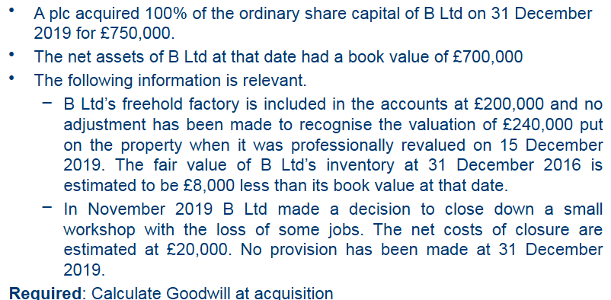
 |  |  |  | A -> B (100%)

 |  |  |  | Goodwill ($'000)

 |  |  |  | Cash consideration | 750

 |  |  |  | FV of INAs acquired:
 |  |  |  | Book value on acq. | 700
 |  |  |  | Revaluation of factory | 40
 |  |  |  | Fair value of inventory | -8
 |  |  |  | Closure costs | -20
 |  |  |  | Fair Value | -712
 |  |  |  | Total Goodwill | 38

